Summary
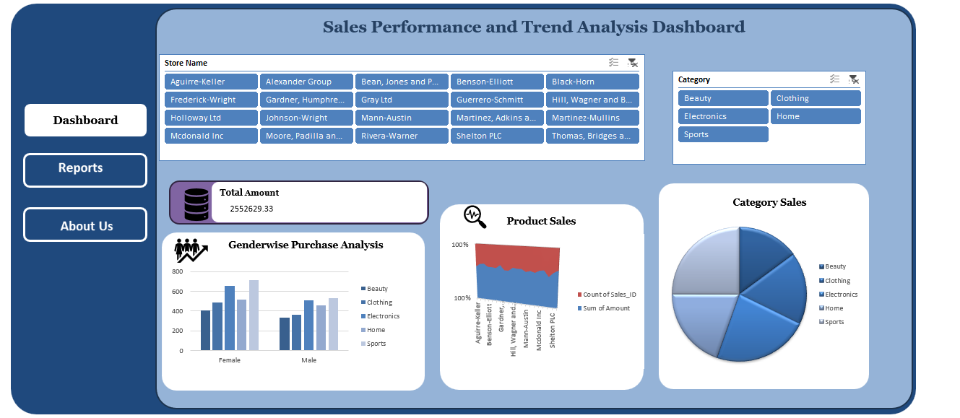
1,Customer Dim
Standardization of Customer Name and City Customer Name and City fields were standardized to ensure consistent formatting and remove unwanted spaces. =PROPER(TRIM(B2))
Handling Missing Values in Loyalty Level A review of the dataset identified 4 blank records in the Loyalty_Level column. These values were replaced with "UNKNOWN" to maintain data completeness. =IF(ISBLANK(E2),"UNKNOWN",G2)
Removal of Country Column The Country column was removed because all records contained the same value ("US"), making it redundant and unsuitable for analysis.
Standardization of Customer IDs Customer IDs with the prefix "C-" were standardized to "CUST" format. Find & Replace Operation: Find: C- Replace With: CUST

2.Prod Dim
Standardization of Product IDs Product IDs containing the prefix "P-" were standardized to "PROD" format to ensure consistency across datasets. Find & Replace Operation Find: P- Replace With: PROD
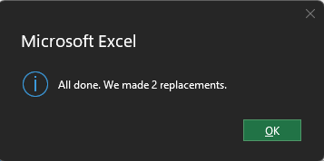

Handling Missing Values in Cost and Stock Columns Missing values in Cost and Stock columns were identified and replaced using the column average. =IF(ISBLANK(C2),AVERAGE($C$2:$C$100),F2) =IF(ISBLANK(D2),AVERAGE($D$2:$D$100),G2)

3.Sales Fact
Handling Missing Discount:Discount=1−(Total Amount/ (Quantity* Unit Place))
4 Missing Discounts- Found using COUNT BLANK , filtering the blank and replacing the values
Handling Missing unit place: Unit price= Total amount/(Quantity*(1-Discount))
3 Missing values replaced and highlighted blue
Handling missing quantity: Quantity= Total amount/(Unit price*(1-Discount))
5 Missing values replaced, Highlighted with blue
Handling Missing total amount: Total amount=Quantity*unit price*(1- Discount)
4 Missing values, replaced and higlighted blue

Apart from this prepared a combined sheet using useful columns(performed VLOOKUP)

Dashboard
Sales Performance and Trend Analysis Dashboard

Dashboard

Total Amount
Category Sales
2552629.33
1
Product Sales
 | Sum of Total_Amount | Sum of Quantity
Beauty | 321802.19 | 738
Clothing | 378981.34 | 846
Electronics | 502313.61 | 1165
Home | 426234.56 | 974
Sports | 541873.53 | 1241

Genderwise Purchase Analysis
 | Sum of Amount | Count of Sales_ID
Aguirre-Keller | 109140.96 | 88
Alexander Group | 144026.74 | 102
Bean, Jones and Park | 184580.48 | 127
Benson-Elliott | 133955.73 | 106
Black-Horn | 116168.32 | 92
Frederick-Wright | 131232.29 | 106
Gardner, Humphrey and Contreras | 137411.23 | 95
Gray Ltd | 96275.39 | 83
Guerrero-Schmitt | 121590.05 | 105
Hill, Wagner and Ballard | 129855.26 | 97
Holloway Ltd | 143105.92 | 110
Johnson-Wright | 148883.88 | 114
Mann-Austin | 109976.61 | 94
Martinez, Adkins and Johnson | 116352.18 | 94
Martinez-Mullins | 125515.76 | 108
Mcdonald Inc | 122898.73 | 95
Moore, Padilla and Butler | 128306.14 | 96
Rivera-Warner | 97158.49 | 93
Shelton PLC | 117469.12 | 95
Thomas, Bridges and Harris | 138726.04 | 100

 | Beauty | Clothing | Electronics | Home | Sports
Female | 404 | 483 | 657 | 514 | 714
Male | 334 | 363 | 508 | 460 | 527

